Profile
País |  | Afiliación institucional |  | Investigador |  | Revista |  | Años de publicación
United States | 1188 | University of Washington, United States | 117 | Warren, J. J. | 43 | Pediatric Dentistry | 161 | 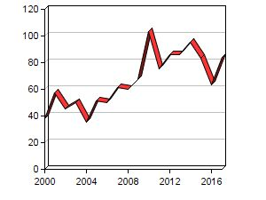
 |  | University of California, United States | 79 | Milgrom, P. M. | 41 | Journal of Public Health Dentistry | 90
 |  | University of Iowa, United States | 76 | Levy, S. M. | 39 | Journal of Dental Research | 50
 |  |  |  | Gary Rozier, R. | 35 | Journal of the American Dental Association | 44
 |  |  |  | Li, Y. | 25 | Community Dentistry and Oral Epidemiology | 43
Brazil | 778 | Universidade de São Paulo, Brazil | 261 | Mendes, F. M. | 69 | Caries Research | 54 | 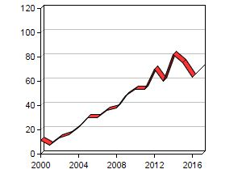
 |  | Universidade Estadual de Campinas, Brazil | 75 | Raggio, D. P. | 49 | International Journal of Paediatric Dentistry | 54
 |  | Universidade Federal de Minas Gerais, Brazil | 66 | Braga, M. M. | 48 | Brazilian Oral Research | 50
 |  |  |  | Paiva, S. M. | 43 | Journal of Clinical Pediatric Dentistry | 33
 |  |  |  | Machado Ardenghi, T. | 31 | Pesquisa Brasileira em Odontopediatria e Clinica Integrada | 30
 |  |  |  | Bönecker, M. | 31
United Kingdom | 455 | University College London, United Kingdom | 72 | Tickle, M. | 29 | British Dental Journal | 72 | 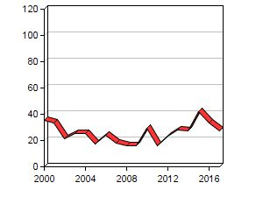
 |  | University of Dundee, United Kingdom | 40 | Blinkhorn, A. S. | 25 | Community Dental Health | 60
 |  | Manchester University, United Kingdom | 37 | Sheiham, A. | 18 | International Journal of Paediatric Dentistry | 51
 |  |  |  | MacPherson, L. M. D. | 16 | Caries Research | 26
 |  |  |  | Pitts, N. B. | 16 | Community Dentistry and Oral Epidemiology | 26
India | 391 | College of Dental Sciences, Davangere, Karnataka, India | 16 | Hegde, A. M. | 10 | Journal of Indian Society of Pedodontics and Preventive Dentistry | 73 | 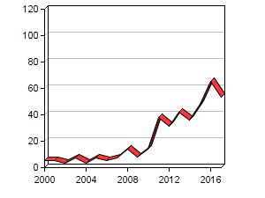
 |  | A.B. Shetty Memorial Institute of Dental Sciences, India | 16 | Gauba, K. | 9 | Journal of Clinical Pediatric Dentistry | 38
 |  | Bapuji Dental College and Hospital, Davangere, Karnataka, India | 15 | Sharma, A. | 9 | Journal of Clinical and Diagnostic Research | 35
 |  |  |  | Muthu, M. S. | 8 | Indian Journal of Dental Research | 21
 |  |  |  | Subramaniam, P. | 8 | Journal of the Indian Society of Pedodontics and Preventive Dentistry | 18
Australia | 270 | University of Adelaide, Australia | 72 | Kim Seow, W. | 27 | Australian Dental Journal | 36 | 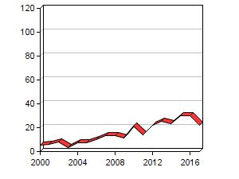
 |  | University of Queensland, Australia | 31 | John Spencer, A. | 24 | Community Dentistry and Oral Epidemiology | 24
 |  | University of Sydney, Australia | 28 | Blinkhorn, A. S. | 16 | International Journal of Paediatric Dentistry | 16
 |  |  |  | Giang Do, L. | 16 | Community Dental Health | 13
 |  |  |  | Walsh, L. J. | 13 | Journal of Public Health Dentistry | 11
 |  |  |  | Armfield, J. M. | 13

