Profile
País de afiliación |  | Institución |  | Investigador |  | Revista |  | Años de publicación
México | 55 | Universidad Autónoma del Estado de Hidalgo, México | 10 | Medina-Solís, C. E. | 12 | Revista de Investigación Clínica | 6 | 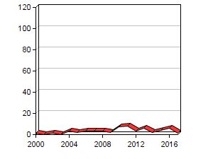
 |  | Instituto Mexicano del Seguro Social, México | 10 | Maupomé, G. | 9 | Journal of Clinical Pediatric Dentistry | 5
 |  | Universidad Autónoma de San Luis Potosí, Mexico | 9 | Juárez-López, M. L. A. | 5 | Revista Médica del Instituto Mexicano del Seguro Social | 4
 |  | 2 more items with | 9 | Loyola-Rodríguez, J. P. | 5 | Gaceta Medica de México | 3
 |  |  |  | Vallejos Sánchez, A. A. | 4 | Community Dental Health | 2
 |  |  |  | 2 more items with | 4 | 5 more items with | 2
Chile | 26 | Universidad de Chile, Chile | 8 | Gomez, S. S. | 5 | Revista Chilena de Pediatría | 5 | 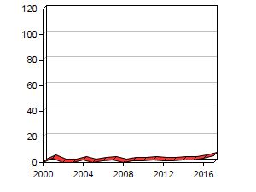
 |  | Universidad de Valparaíso, Chile | 6 | Emilson, C. G. | 4 | Acta odontologica Scandinavica | 2
 |  | University of Gothenburg, Sweden | 5 | Weber, A. A. | 3 | Journal of Oral Research | 2
 |  |  |  | Guerrero, S. | 2 | BMJ Open | 1
 |  |  |  | Villa, A. | 2 | International Journal of Paediatric Dentistry | 1
 |  |  |  | 5 more items with | 2 | 15 more items with | 1
Colombia | 24 | Universidad El Bosque, Colombia | 13 | Ekstrand, K. R. | 8 | Caries Research | 5 | 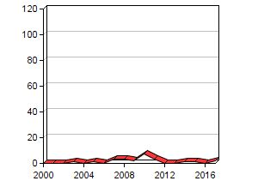
 |  | University of Copenhagen, Denmark | 7 | Martignon, S. | 8 | Community Dentistry and Oral Epidemiology | 4
 |  | Universidade de São Paulo, Brazil | 5 | Tellez, M. | 5 | Acta Odontológica Latinoamericana | 3
 |  | University of Dundee, United Kingdom | 5 | Ricketts, D. J. N. | 4 | Colombia Médica | 2
 |  |  |  | Ismail, A. I. | 4 | The Lancet | 2
 |  |  |  | Sohn, W. | 4 | Revista de Salud Pública | 2
Argentina | 19 | Istanbul University, Turkey | 5 | Mereb, J. C. | 4 | Acta Odontológica Latinoamericana | 7 | 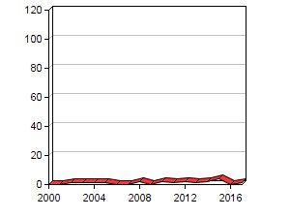
 |  | Universidad de Buenos Aires, Argentina | 5 | Seymen, F. | 4 | BMC Medical Genetics | 2
 |  | Universidad Nacional de Córdoba, Argentina | 4 | Marazita, M. L. | 4 | The Lancet | 2
 |  | 2 more items with | 4 | Orioli, I. M. | 4 | PLoS ONE | 2
 |  |  |  | Patir, A. | 4 | Revista de Saúde Pública | 1
 |  |  |  | 6 more items with | 4 | 5 more items with | 1
Puerto Rico | 16 | University of Puerto Rico, Puerto Rico | 16 | Psoter, W. J. | 5 | Pediatric Dentistry | 3 | 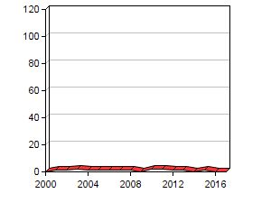
 |  | New York University, United States | 5 | Mayne, S. T. | 4 | Journal of Dental Research | 2
 |  | University of Connecticut, United States | 5 | Morse, D. E. | 4 | Archives of Oral Biology | 2
 |  |  |  | Zhang, H. | 4 | Journal of Dentistry for Children | 2
 |  |  |  | Pendrys, D. G. | 4 | Community Dentistry and Oral Epidemiology | 2
Trinidad and Tobago | 16 | University of the West Indies, Trinidad and Tobago | 11 | Naidu, R. S. | 9 | BMC Oral Health | 4 | 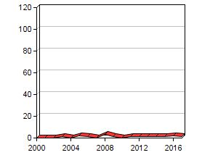
 |  | Trinity College Dublin, Ireland | 3 | Nunn, J. | 4 | West Indian Medical Journal | 2
 |  | Dublin Dental School and Hospital, Ireland | 2 | Adewakun, A. A. | 2 | Pediatric Dentistry | 1
 |  |  |  | Percival, T. | 2 | Oral Health & Preventive Dentistry | 1
 |  |  |  | Bloch-Zupan, A. | 1 | Journal of Dentistry for Children | 1
 |  |  |  | 47 more items with | 1 | 7 more items with | 1
Perú | 12 | Universidad Peruana Cayetano Heredia, Perú | 7 | Bernabé, E. | 4 | BMC Oral Health | 1 | 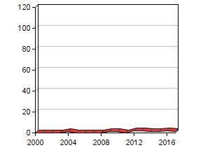
 |  | University College London, United Kingdom | 3 | Delgado-Angulo, E. K. | 3 | The Lancet | 1
 |  | University of Washington, United States | 3 | Castillo, J. L. | 2 | Revista Panamericana de Salud Pública/Pan American Journal of Public Health | 1
 |  |  |  | Villena-Sarmiento, R. | 2 | Brazilian Dental Journal | 1
 |  |  |  | Murasko, J. E. | 2 | Journal of Dentistry for Children | 1
 |  |  |  | Milgrom, P. M. | 2 | 7 more items with | 1
Venezuela | 12 | Universidad Central de Venezuela, Venezuela | 5 | Acevedo, A. M. | 3 | International Journal of Paediatric Dentistry | 3 | 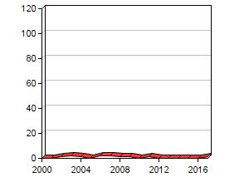
 |  | Universidad del Zulia, Venezuela | 4 | Montero, M. | 2 | Revista de Salud Pública | 1
 |  | State University of New York, United States | 1 | Socorro, M. | 2 | Journal of Trace Elements in Medicine and Biology | 1
 |  | 4 more items with | 1 | Rojas-Sanchez, F. | 2 | Acta Odontológica Latinoamericana | 1
 |  |  |  | Medina, A. C. | 2 | Revista Cubana de Estomatología | 1
 |  |  |  | Zambrano, O. | 2 | 5 more items with | 1

