Profile
Titular |  | Inventor |  | Países en familias de patentes |  | Años de publicación
NESTLÉ S.A. | 9 | Guggenheim Bernhard | 7 | WO | 9 | 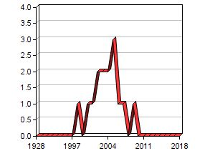
 |  | Neeser Jean Richard | 7 | AU | 9
 |  | Stingele Francesca | 5 | US | 8
 |  | Comelli Elena Maria | 5 | 6 more items with | 8
ZYMOGENETICS INC | 8 | Sheppard Paul O. | 5 | WO | 8 | 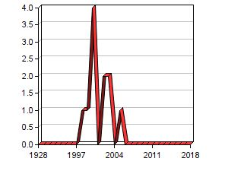
 |  | Conklin Darrell C. | 3 | AU | 8
 |  | Blumberg Hal | 3 | US | 8
 |  |  |  | 2 more items with | 8
SIGNUM BIOSCIENCES INC | 6 | Stock Jeffry B. | 6 | WO | 6 | 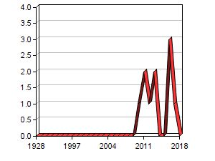
 |  | Stock Maxwell | 6 | US | 6
 |  | Voronkov Michael | 2 | EP | 6
 |  | 3 more items with | 2 | JP | 6
BASF SE | 5 | POMPEJUS Markus | 3 | EP | 5 | 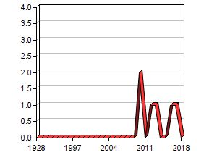
 |  | Kaesler Bruno | 2 | JP | 4
 |  | Veen Markus | 2 | WO | 3
 |  | 4 more items with | 2 | 9 more items with | 3
COLGATE-PALMOLIVE CO. | 5 | Cummins Diane | 3 | EP | 5 | 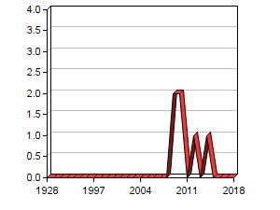
 |  | ROBINSON RICHARD | 2 | WO | 5
 |  | Boff Beth Ann | 2 | CN | 5
 |  | 3 more items with | 2 | 7 more items with | 5
HENRY JACKSON FOUNDATION FOR THE ADVANCEMENT OF MILITARY MEDICINE | 4 | Taubman Martin A. | 4 | EP | 4 | 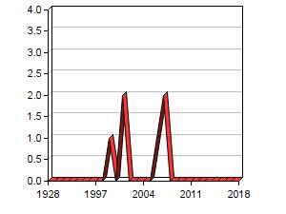
 |  | Lees Andrew | 4 | WO | 4
 |  | Smith Daniel J. | 4 | CA | 4
 |  |  |  | 4 more items with | 4
TUFTS UNIVERSITY | 4 | Goldin Barry R. | 4 | EP | 4 | 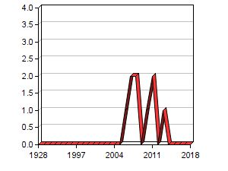
 |  | Gorbach Sherwood L. | 4 | WO | 4
 |  |  |  | AU | 4
 |  |  |  | 5 more items with | 4
VALIO LTD | 3 | Reunanen Justus | 2 | WO | 3 | 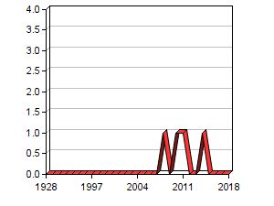
 |  | Palva Ilkka | 2 | FI | 3
 |  | SALUSJÄRVI Tuomas | 2 | EP | 2
 |  | 7 more items with | 2 | 9 more items with | 2

